Question
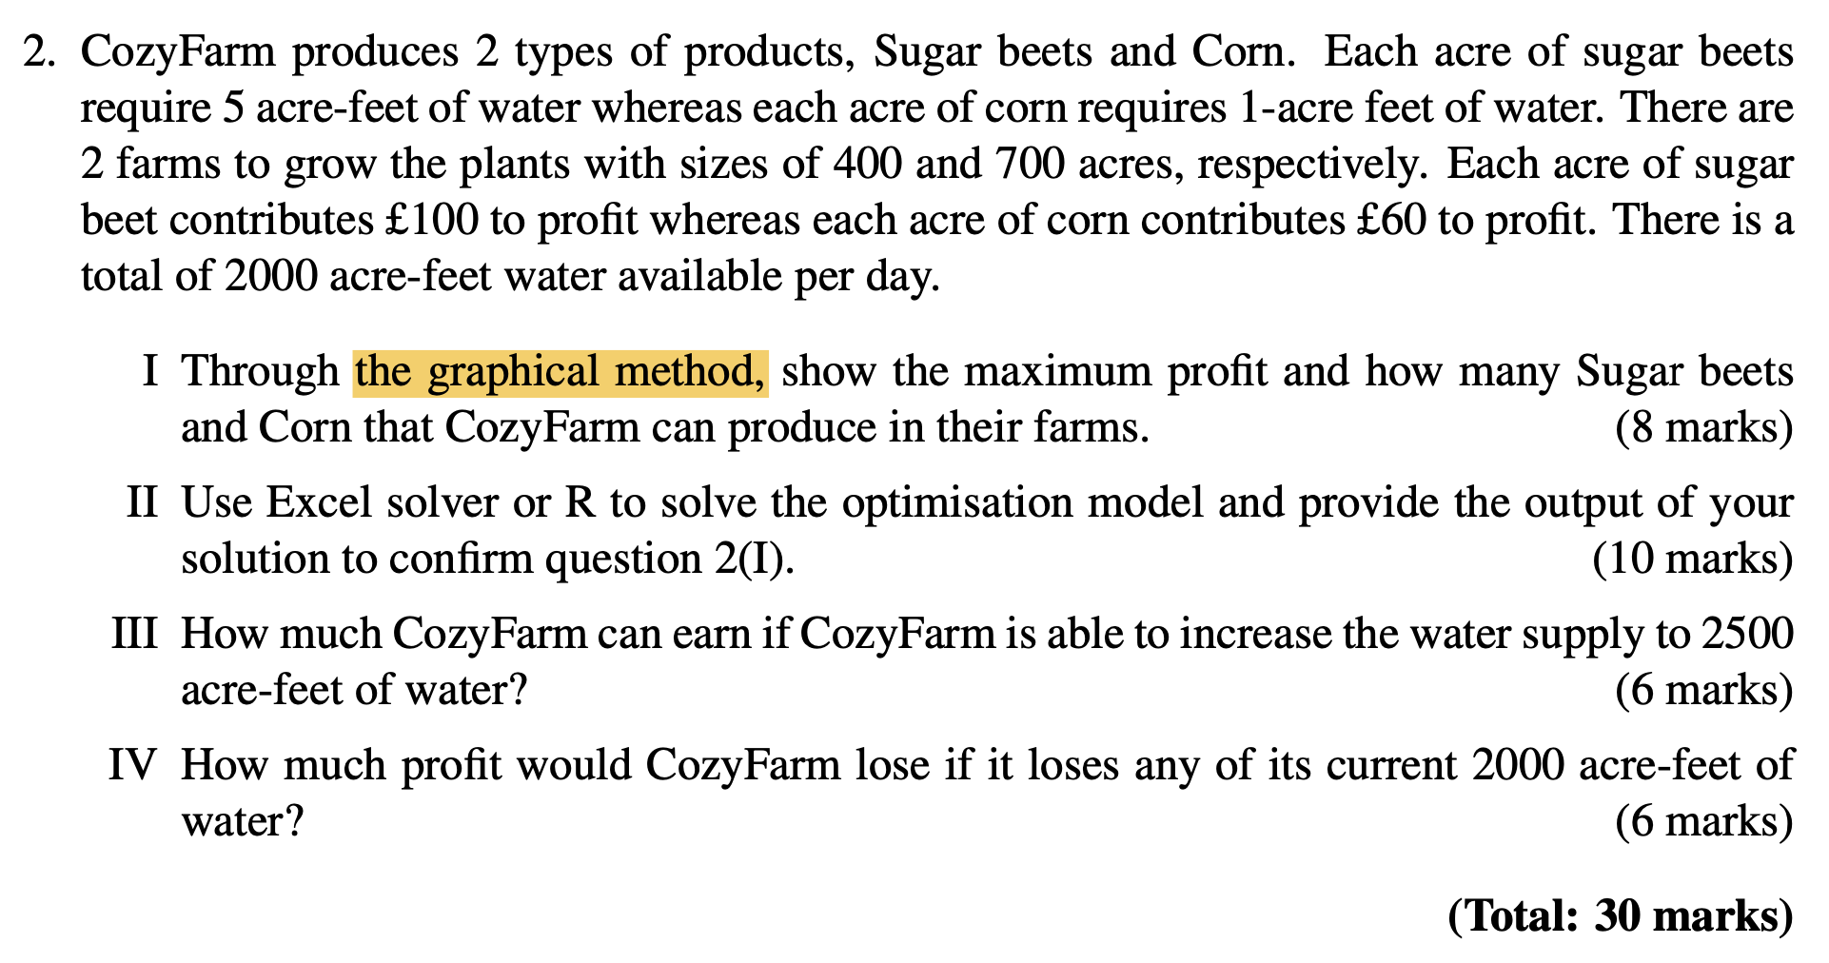

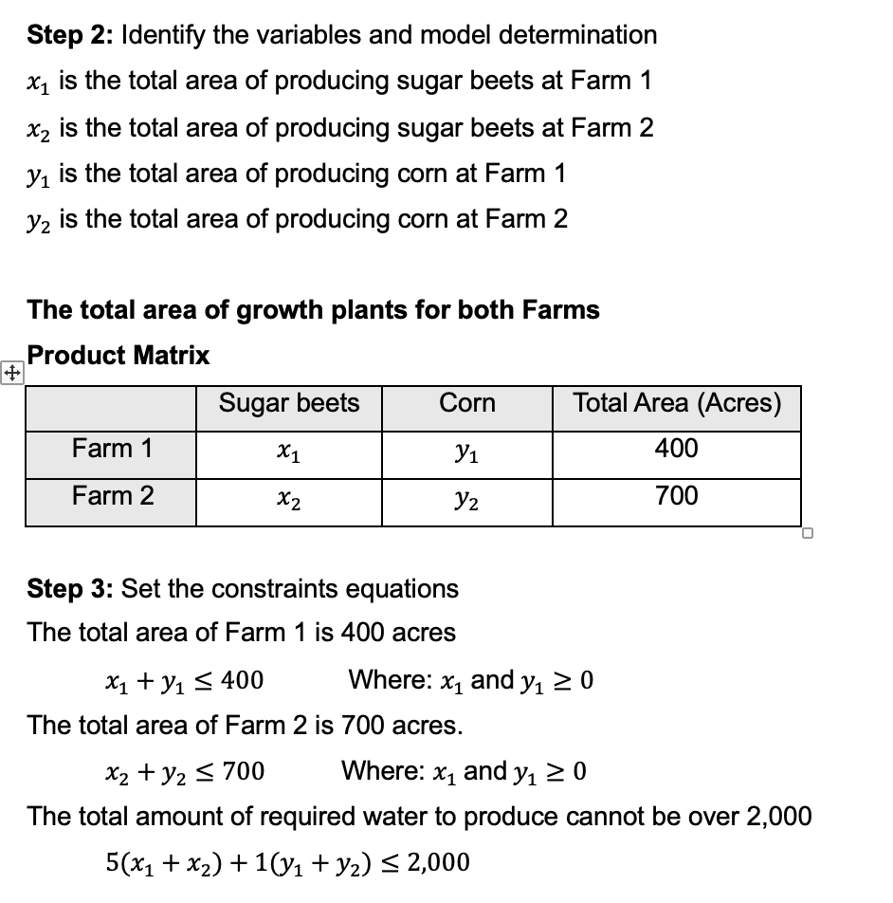

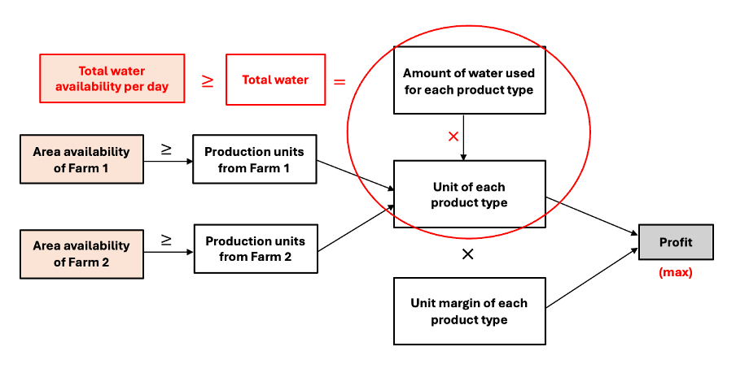

Profit Analysis Q2
CozyFarm Project

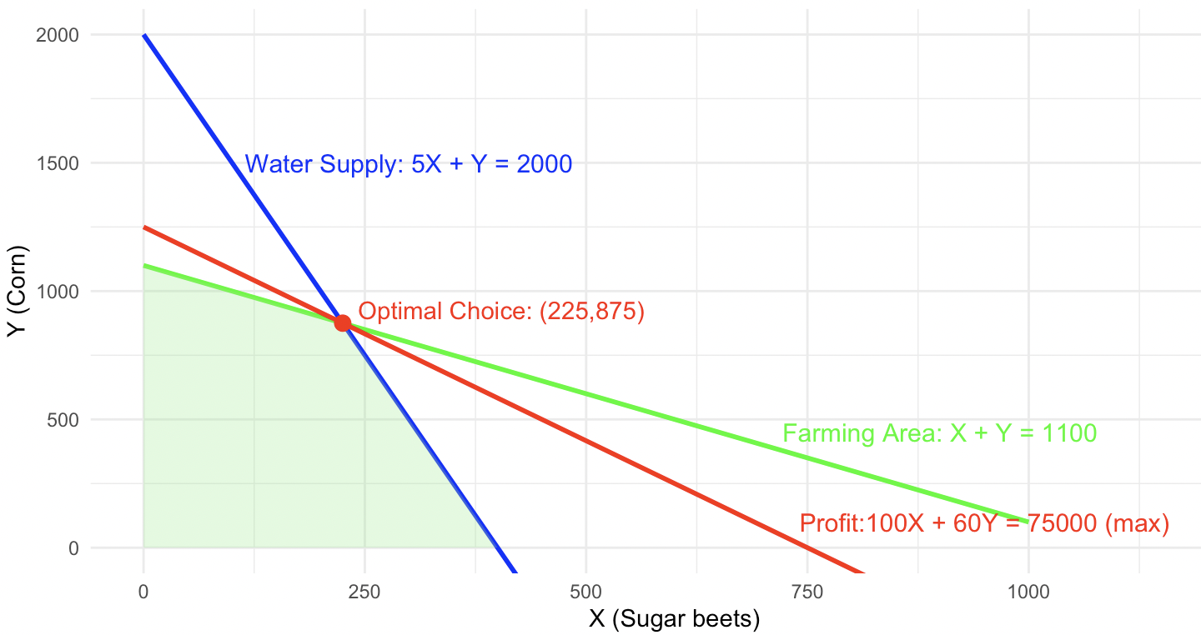
Inputs variables |  |  |  | From R Programming
Amount of water required for sugar beets/acre | 5
Amount of water required for corn/acre | 1

Decided Variables | Sugar beets | Corn
Quantity of producing at farm 1(400 acres) | 0 | 400
Quantity of producing at farm 2(700 acres) | 225 | 475

Constrains |  | Limitation
Total amount of required water to produce | 2,000 | 2,000 | Water can use per day (acres-feet)
Quantity of producing at farm 1(400 acres) | 400 | 400 | Max areas of Farm 1(acres)
Quantity of producing at farm 2(700 acres) | 700 | 700 | Max areas of Farm 2(acres)

Profit Model | Sugar beets | Corn
Profit of each product per acres | £100 | £60 | Total Profit
Quantity of producing(acres) by product | 225 | 875
Total Profit | £22,500 | £52,500 | £75,000

STS_1
Oneway analysis for Solver model in Profit Analysis Q4 worksheet |  |  |  |  | Sensitivity of $B$19 to Limitation of water

When you select an output from the dropdown list in cell $K$4, the chart will adapt to that output.
Limitation of water (cell $C$12) values along side, output cell(s) along top |  |  |  |  | Data for chart
 | $B$19 | $C$19 | $D$19 | 1 | $B$19
1,991 | £22,275 | £52,635 | £74,910 |  | 22275
1,992 | £22,300 | £52,620 | £74,920 |  | 22300
1,993 | £22,325 | £52,605 | £74,930 |  | 22325
1,994 | £22,350 | £52,590 | £74,940 |  | 22350
1,995 | £22,375 | £52,575 | £74,950 |  | 22375
1,996 | £22,400 | £52,560 | £74,960 |  | 22400
1,997 | £22,425 | £52,545 | £74,970 |  | 22425
1,998 | £22,450 | £52,530 | £74,980 |  | 22450
1,999 | £22,475 | £52,515 | £74,990 |  | 22475
2,000 | £22,500 | £52,500 | £75,000 |  | 22500

Sensitivity of $B$19 to Limitation of water

